Probe Placement
Tank Capacity & Probe Construction Calculations
Model # | GG40T08AYV01 |  | Date: | 2025-01-28
Serial # | SZ600637C
Lab ID # | 25WS1743
Tank Capacity
Gross | 332.9 | Lbs | Water Temp. | 52.7 | Deg. F
Tare | 0.0 | Lbs | Specific Water Wt. | 8.3375 | Lbs/Gal
Net Weight | 332.9 | Lbs | Actual Capacity | 39.93 | Gal.
1/12 volume | 27.7
T.C. Rod Cal. |  |  | T.C. Zones 1 - 6
Tank Height (H) | 47.25 | Inches | 1 | 43.13 | Inches
X = 1/12 water | 3.00 | Inches | 2 | 34.88 | Inches
2X | 6.00 | Inches | 3 | 26.63 | Inches
H - 2X | 41.25 | Inches | 4 | 18.38 | Inches
(H - 2X)/5 | 8.25 | Inches | 5 | 10.13 | Inches
Min. Rod Length (H-X) | 44.25 | Inches | (Zone 6 is X value) 6 | 3.00 | Inches

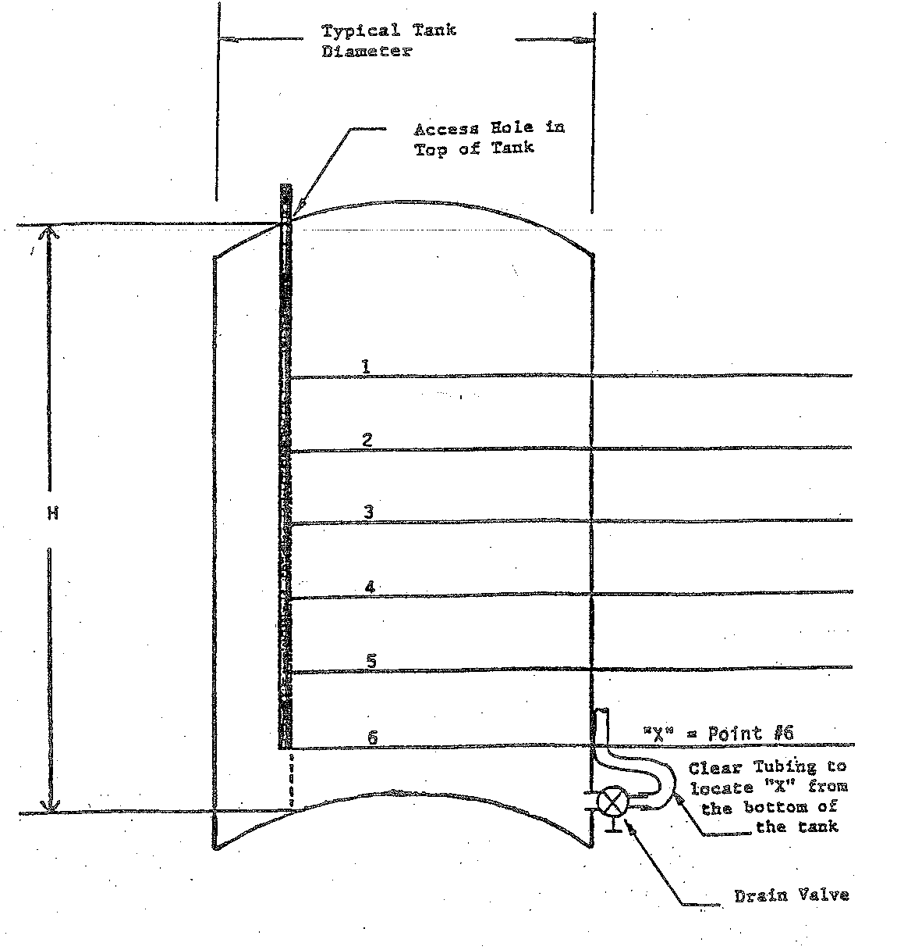

43.13

34.88

26.63
47.25

18.38

10.13

3.00

